Quote


 |  |  | SANRIA Limited
 |  |  | 3080, Olcott Steet, Santa Clara
 |  |  | CA 95054
 |  | www.sanriaengineering.com | www.icadengineering.com

 |  |  | Project Proposal
 |  |  |  |  |  | Date: | 2016-04-08
Project Name: |  | Unvy. Of Montana - Football Scoreboard, Missoula

Customer Name: |  | STEWART-AMOS Steel, Inc.
 |  | 4400 Paxton Street, Harrisburg, PA 17111, Attention: Curt Zeigler (717-901-2353)

Scope of Work: | 1. | Structural Steel Detailing including Embeds, Columns, Beams, Bracings, Trusses, Frames, Deck angles, connectors for joists, checkered plates, edge angles, deck angles

 | 2. | Miscellaneous Steel: Hand rails, Caged Ladders with swing gate; Gratings ;
 |  | ( we need to have details of standards for the misc. steel from customer)

Exclusions: | 1. | All Joist and Metal Decking
 | 2. | Materials of architectural importance, Gage Metals, Metal Deck/Roof decking/studs,
 |  | Support frames for LED, Auxillary boards; Stairs & rails; Connection design;

Price: |  | Main & Misc. Steel Structure
 |  | Detailing |  | US $ 4,500/- lump sum

Deliverables: | 1. | Advanced Bill of Materials (ABM)
 | 2. | Erection Plans
 | 3. | Detailed Shop Drawings
 | 4. | Part Drawings
 | 5. | NC output files from TEKLA Structures

Schedule: |  | OFA by 3 weeks from the RFC receiving date

Inputs: | 1. | Ready for Construction Contract Drawings
 | 2. | Project Specifications
 | 3. | Customer shop standards

Terms:
 | 1. | The project start date is effective upon receipt of contract drawings, specifications and Purchase Order in the name of SANRIA Limited, USA.
 | 2. | Our project delivery schedule is based on Customer's timely responses to our RFIs. Any delay in RFI answers will delay our deliverables
 | 3. | The project delivery schedule is also dependent on the number of sequences and size of each sequence
 | 4. | Customer is required to review approved shop drawings before fabrication
 | 5. | All changes and rework in the project will be billed extra. Change orders will be submitted for such changes.
 | 6. | 95% of PO value is billed upon release of drawings for approval and balance 5% after release of drawings for fabrication. Progress billing will be submitted for projects exceeding 6 weeks schedule
 | 7. | All invoices are due net 30 days from the date of invoice
 | 8. | On site customer meetings and onsite support are chargable
 | 9. | We shall not be contractually obligated to any party other than Customer, regardless of Customer agreements/contracts with third parties
 | 10. | All disputes are resolved through arbitration in a mutually agreed location and the local laws shall apply in the event of any disputes

Contact: |  | USA |  |  | INDIA
 |  | Mahesh Nagarajaiah |  |  | Anand Mirji
 |  | President |  |  | Head of Global Sales
 |  | p: +1 408 620 5878 x1015 |  |  | p: +1 408 620 5878 x1010
 |  | m: +1 510 996 2022 |  |  | m: +91 99456 56500
 |  | mn@icadengineering.com |  |  | anand.mirji@icadengineering.com

Govind
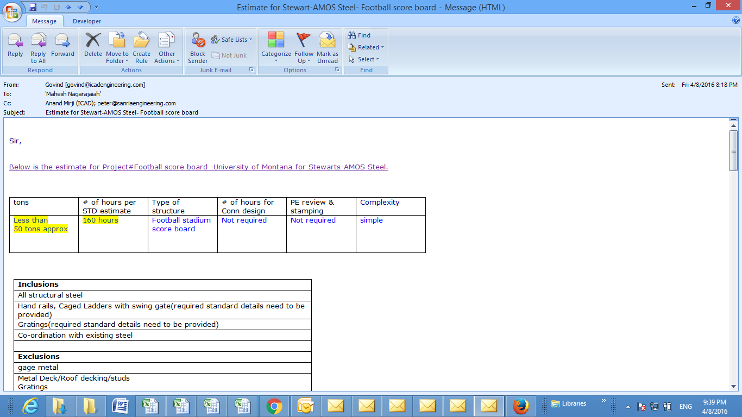

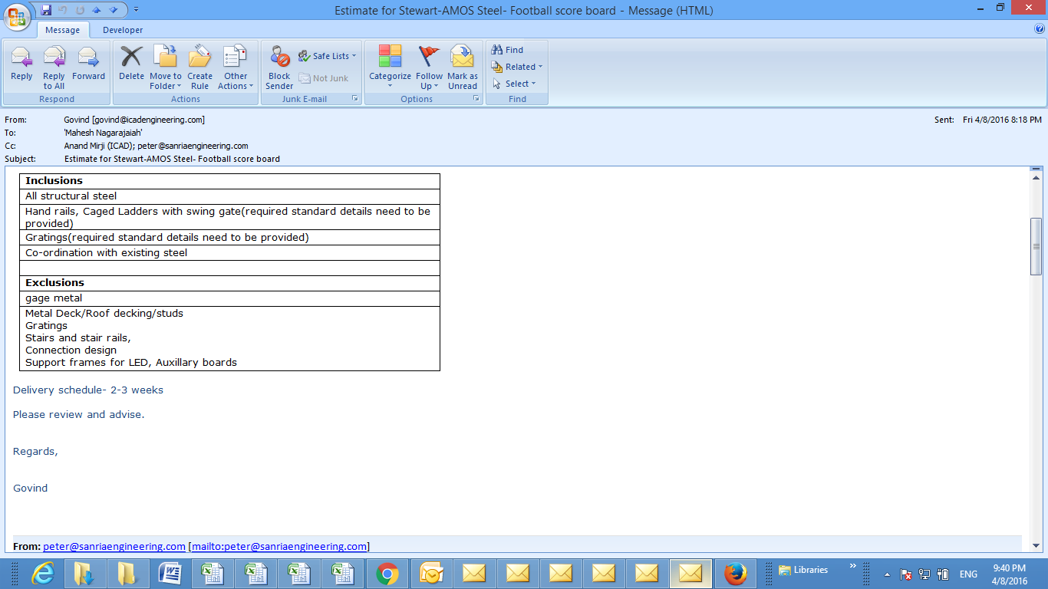

Inputs from Govind.

